note
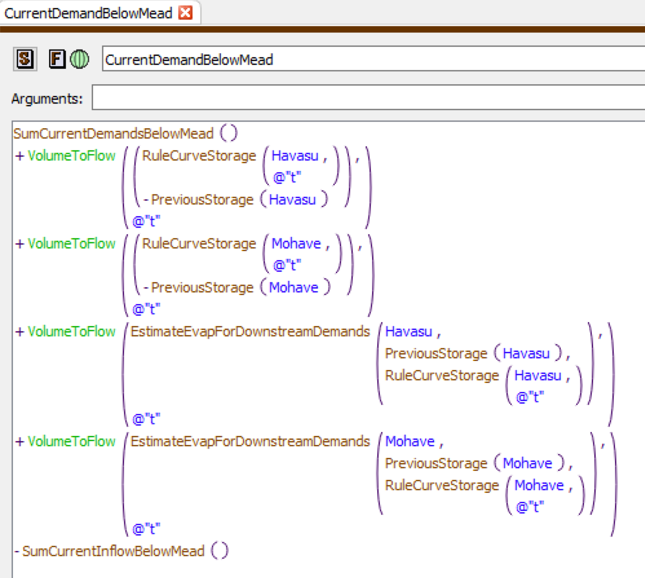
Dpltn&Shrt_JIANMhvHvs |  | Dpltn&Shrt_JIANSmCrrntDmndsBlw~
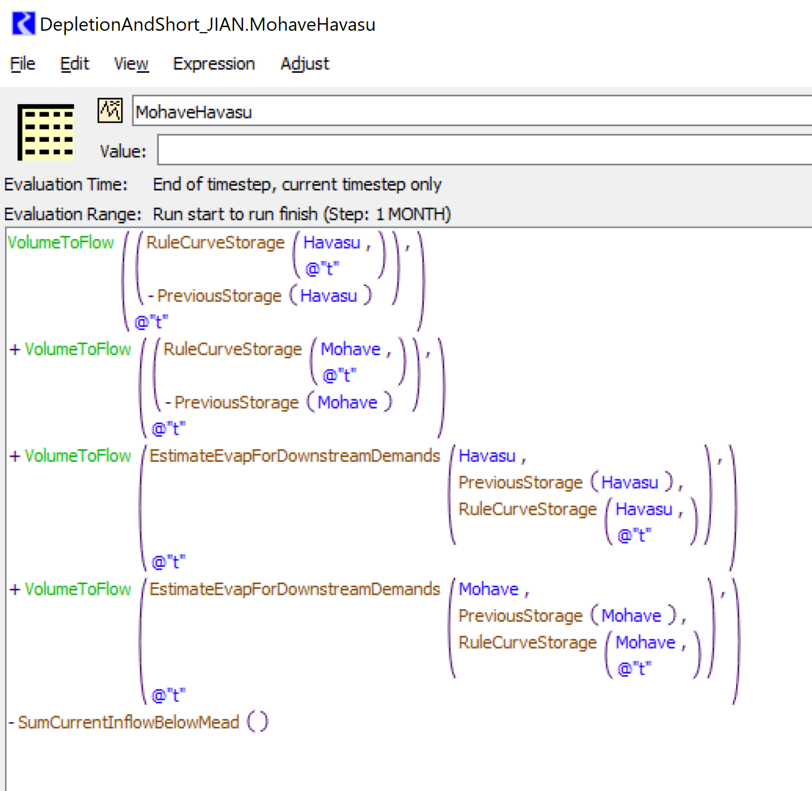
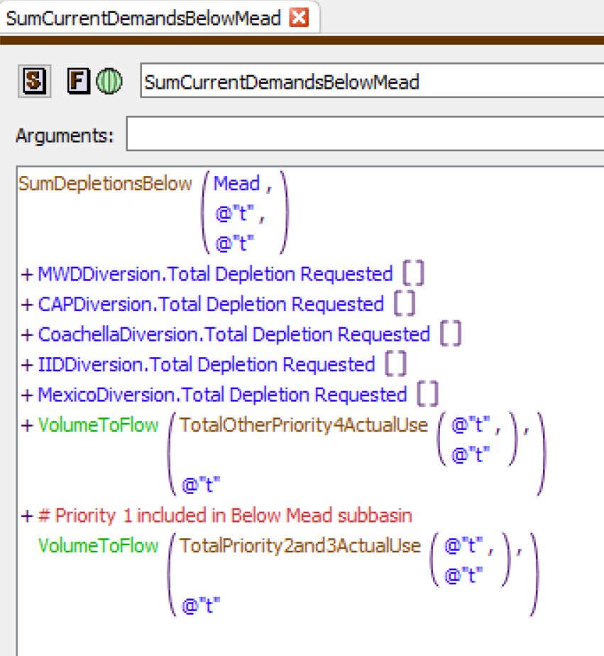

 | Mead Release Policy = Dpltn&Shrt_JIANMhvHvs + Dpltn&Shrt_JIANSmCrrntDmndsBlw~

